AF01
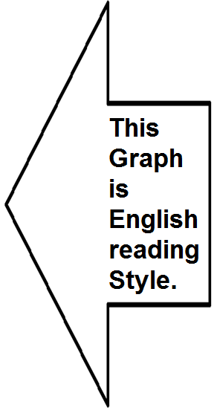
Sura Name | Chapter | Verses | Sura | Sura Name | Ayat | اعوذ بالله من الشيطان الرجيم بِسْمِ اللّهِ الرَّحْمـَنِ الرَّحِيمِ | Para
الفاتحة | 1 | 7 | 52 | سورة الطور | 33 | أَمْ يَقُولُونَ تَقَوَّلَهُۥ ۚ بَل لَّا يُؤْمِنُونَ | 27
البقرة | 2 | 286 |  |  |  | کیا (کفار) کہتے ہیں کہ ان پیغمبر نے قرآن از خود بنا لیا ہے بات یہ ہے کہ یہ (خدا پر) ایمان نہیں رکھتے
آل عمران | 3 | 200 |  |  |  | کیا یہ کہتے ہیں کہ اِس شخص نے یہ قرآن خود گھڑ لیا ہے؟ اصل بات یہ ہے کہ یہ ایمان نہیں لانا چاہتے
النساء | 4 | 176 |  |  |  | Do they say: "He has himself fabricated the Qur'an?" No; the truth is that they are altogether averse to believing.
المائدة | 5 | 120 |  |  |  | Or say they: He hath invented it? Nay, but they will not believe!
الأنعام | 6 | 165
الأعراف | 7 | 206 | 52 | سورة الطور | 34 | فَلْيَأْتُوا۟ بِحَدِيثٍۢ مِّثْلِهِۦٓ إِن كَانُوا۟ صَٰدِقِينَ | 27
الأنفال | 8 | 75 |  |  |  | اگر یہ سچے ہیں تو ایسا کلام بنا تو لائیں
التوبة | 9 | 129 |  |  |  | اگر یہ اپنے اِس قول میں سچے ہیں تو اِسی شان کا ایک کلام بنا لائیں
يونس | 10 | 109 |  |  |  | (If they are truthful in this), then let them produce a discourse of similar splendour.
هود | 11 | 123 |  |  |  | Then let them produce speech the like thereof, if they are truthful.
يوسف | 12 | 111 |  |  |  | سورة الطور اية 33, 34 Surah Al-Toor, Ayat 33, 34
الرعد | 13 | 43
ابراهيم | 14 | 52 | 2 | سورة البقرة | 23 | وَإِن كُنتُمْ فِى رَيْبٍۢ مِّمَّا نَزَّلْنَا عَلَىٰ عَبْدِنَا فَأْتُوا۟ بِسُورَةٍۢ مِّن مِّثْلِهِۦ وَٱدْعُوا۟ شُهَدَآءَكُم مِّن دُونِ ٱللَّهِ إِن كُنتُمْ صَٰدِقِينَ | 1
الحجر | 15 | 99 |  |  |  | اور اگر تم کو اس (کتاب) میں، جو ہم نے اپنے بندے (محمدﷺ عربی) پر نازل فرمائی ہے کچھ شک ہو تو اسی طرح کی ایک سورت تم بھی بنا لاؤ اور خدا کے سوا جو تمہارے مددگار ہوں ان کو بھی بلالو اگر تم سچے ہو
النحل | 16 | 128 |  |  |  | اور اگر تمہیں اِس امر میں شک ہے کہ یہ کتا ب جو ہم نے اپنے بندے پر اتاری ہے، یہ ہماری ہے یا نہیں، تواس کے مانند ایک ہی سورت بنا لاؤ، اپنے سارے ہم نواؤں کو بلا لو، ایک اللہ کو چھوڑ کر باقی جس جس کی چاہو، مدد لے لو، اگر تم سچے ہو
الإسراء | 17 | 111 |  |  |  | And if you be in doubt whether the Book We have sent down to Our Servant is from Us or not, then produce, at least, one Surah like this. You may call all your associates to assist you and avail yourselves of the help of any one other than Allah. If you are genuine in your doubt, do this.
الكهف | 18 | 110 |  |  |  | And if ye are in doubt concerning that which We reveal unto Our slave (Muhammad), then produce a surah of the like thereof, and call your witness beside Allah if ye are truthful.
مريم | 19 | 98 |  |  |  | سورة البقرة اية 23 Surah Al-Baqarah, Ayat 23
طه | 20 | 135
الأنبياء | 21 | 112 | 10 | سورة يونس | 38 | أَمْ يَقُولُونَ ٱفْتَرَىٰهُ ۖ قُلْ فَأْتُوا۟ بِسُورَةٍۢ مِّثْلِهِۦ وَٱدْعُوا۟ مَنِ ٱسْتَطَعْتُم مِّن دُونِ ٱللَّهِ إِن كُنتُمْ صَٰدِقِينَ | 11
الحج | 22 | 78 |  |  |  | کیا یہ لوگ کہتے ہیں کہ پیغمبر نے اس کو اپنی طرف سے بنا لیا ہے کہہ دو کہ اگر سچے ہو تو تم بھی اس طرح کی ایک سورت بنا لاؤ اور خدا کے سوا جن کو تم بلا سکو بلا بھی لو
المؤمنون | 23 | 118 |  |  |  | کیا یہ لوگ کہتے ہیں کہ پیغمبرؐ نے اسے خود تصنیف کر لیا ہے؟ کہو، “اگر تم اپنے اس الزام میں سچّے ہو تو ایک سُورۃ اس جیسی تصنیف کر لاؤ اور ایک خدا کو چھوڑ کر جس جس کو بُلا سکتے ہو مدد کے لیے بُلا لو"
النور | 24 | 64 |  |  |  | Do they say that the Messenger has himself composed the Qur'an? Say: 'In that case bring forth just one surah like it and call on all whom you can, except Allah, to help you if you are truthful.
الفرقان | 25 | 77 |  |  |  | Or say they: He hath invented it? Say: Then bring a surah like unto it, and call (for help) on all ye can besides Allah, if ye are truthful.
الشعراء | 26 | 227 |  |  |  | سورة يونس اية 38 Surah Younas, Ayat 38
النمل | 27 | 93
القصص | 28 | 88 | 15 | سورة الحجر | 9 | إِنَّا نَحْنُ نَزَّلْنَا ٱلذِّكْرَ وَإِنَّا لَهُۥ لَحَٰفِظُونَ | 14
العنكبوت | 29 | 69 |  |  |  | بےشک یہ (کتاب) نصیحت ہمیں نے اُتاری ہے اور ہم ہی اس کے نگہبان ہیں
الروم | 30 | 60 |  |  |  | رہا یہ ذکر، تو اِس کو ہم نے نازل کیا ہے اور ہم خود اِس کے نگہبان ہیں
لقمان | 31 | 34 |  |  |  | As for the Admonition, indeed it is We Who have revealed it and it is indeed We Who are its guardians.
السجدة | 32 | 30 |  |  |  | Lo! We, even We, reveal the Reminder, and lo! We verily are its Guardian.
الأحزاب | 33 | 73 |  |  |  | سورة الحجر اية 9 Surah Al-Hajr, Ayat 9
سبإ | 34 | 54
فاطر | 35 | 45 | 55 | سورة الرحمن | 33 | يَٰمَعْشَرَ ٱلْجِنِّ وَٱلْإِنسِ إِنِ ٱسْتَطَعْتُمْ أَن تَنفُذُوا۟ مِنْ أَقْطَارِ ٱلسَّمَٰوَٰتِ وَٱلْأَرْضِ فَٱنفُذُوا۟ ۚ لَا تَنفُذُونَ إِلَّا بِسُلْطَٰنٍۢ | 27
يس | 36 | 83 |  |  |  | اے گروہِ جن وانس اگر تمہیں قدرت ہو کہ آسمان اور زمین کے کناروں سے نکل جاؤ تو نکل جاؤ۔ اور زور کے سوا تم نکل سکنے ہی کے نہیں
الصافات | 37 | 182 |  |  |  | اے گروہ جن و انس، گر تم زمین اور آسمانوں کی سرحدوں سے نکل کر بھاگ سکتے ہو تو بھاگ دیکھو نہیں بھاگ سکتے اِس کے لیے بڑا زور چاہیے
ص | 38 | 88 |  |  |  | O company of jinn and men, if you have the power to go beyond the bounds of the heavens and the earth, go beyond them! Yet you will be unable to go beyond them for that requires infinite power.
الزمر | 39 | 75 |  |  |  | O company of jinn and men, if ye have power to penetrate (all) regions of the heavens and the earth, then penetrate (them)! Ye will never penetrate them save with (Our) sanction.
غافر | 40 | 85 |  |  |  | سورة الرحمن اية 33 Surah Rahman, Ayat 33
فصلت | 41 | 54
الشورى | 42 | 53 | 5 | سورة المائدة | 15 | يَٰٓأَهْلَ ٱلْكِتَٰبِ قَدْ جَآءَكُمْ رَسُولُنَا يُبَيِّنُ لَكُمْ كَثِيرًۭا مِّمَّا كُنتُمْ تُخْفُونَ مِنَ ٱلْكِتَٰبِ وَيَعْفُوا۟ عَن كَثِيرٍۢ ۚ قَدْ جَآءَكُم مِّنَ ٱللَّهِ نُورٌۭ وَكِتَٰبٌۭ مُّبِينٌۭ | 6
الزخرف | 43 | 89 |  |  |  | اے اہل کتاب! تمہارے پاس ہمارے پیغمبر (آخرالزماں) آ گئے ہیں کہ جو کچھ تم کتاب (الہٰی) میں سے چھپاتے تھے وہ اس میں سے بہت کچھ تمہیں کھول کھول کر بتا دیتے ہیں اور تمہارے بہت سے قصور معاف کر دیتے ہیں بےشک تمہارے پاس خدا کی طرف سے نور اور روشن کتاب آ چکی ہے
الدخان | 44 | 59 |  |  |  | اے اہل کتاب! ہمارا رسول تمہارے پاس آ گیا ہے جو کتاب الٰہی کی بہت سی اُن باتوں کو تمہارے سامنے کھول رہا ہے جن پر تم پردہ ڈالا کرتے تھے، اور بہت سی باتوں سے درگزر بھی کر جاتا ہے تمہارے پاس اللہ کی طرف سے روشنی آ گئی ہے اور ایک ایسی حق نما کتاب
الجاثية | 45 | 37 |  |  |  | People of the Book! Now Our Messenger has come to you: he makes clear to you a good many things of the Book which you were wont to conceal, and also passes over many things. There has now come to you a light from Allah, and a clear Book.
الأحقاف | 46 | 35 |  |  |  | O People of the Scripture! Now hath Our messenger come unto you, expounding unto you much of that which ye used to hide in the Scripture, and forgiving much. now hath come unto you light from Allah and plain Scripture,
محمد | 47 | 38 |  |  |  | O People of the Scripture, there has come to you Our Messenger making clear to you much of what you used to conceal of the Scripture and overlooking much. There has come to you from Allah a light and a clear Book.
الفتح | 48 | 29 | 5 | سورة المائدة | 16 | يَهْدِى بِهِ ٱللَّهُ مَنِ ٱتَّبَعَ رِضْوَٰنَهُۥ سُبُلَ ٱلسَّلَٰمِ وَيُخْرِجُهُم مِّنَ ٱلظُّلُمَٰتِ إِلَى ٱلنُّورِ بِإِذْنِهِۦ وَيَهْدِيهِمْ إِلَىٰ صِرَٰطٍۢ مُّسْتَقِيمٍۢ | 6
الحجرات | 49 | 18 |  |  |  | جس سے خدا اپنی رضا پر چلنے والوں کو نجات کے رستے دکھاتا ہے اور اپنے حکم سے اندھیرے میں سے نکال کر روشنی کی طرف لے جاتا اور ان کو سیدھے رستہ پر چلاتا ہے
ق | 50 | 45 |  |  |  | جس کے ذریعہ سے اللہ تعالیٰ اُن لوگوں کو جو اس کی رضا کے طالب ہیں سلامتی کے طریقے بتاتا ہے اور اپنے اذن سے اُن کو اندھیروں سے نکال کر اجالے کی طرف لاتا ہے اور راہ راست کی طرف ان کی رہنمائی کرتا ہے
الذاريات | 51 | 60 |  |  |  | through which Allah shows to all who seek to please Him the paths leading to safety. He brings them out, by His leave, from darkness to light and directs them on to the straight way.
الطور | 52 | 49 |  |  |  | Whereby Allah guideth him who seeketh His good pleasure unto paths of peace. He bringeth them out of darkness unto light by His decree, and guideth them unto a straight path.
النجم | 53 | 62 |  |  |  | By which Allah guides those who pursue His pleasure to the ways of peace and brings them out from darknesses into the light, by His permission, and guides them to a straight path.
القمر | 54 | 55 |  |  |  | سورة المائدة اية 15, 16 Surah Maidah, Ayat 15, 16
الرحمن | 55 | 78
الواقعة | 56 | 96 | 41 | سورة فصلت | 52 | قُلْ أَرَأَيْتُمْ إِن كَانَ مِنْ عِندِ اللَّهِ ثُمَّ كَفَرْتُم بِهِ مَنْ أَضَلُّ مِمَّنْ هُوَ فِي شِقَاقٍ بَعِيدٍ | 25
الحديد | 57 | 29 |  |  |  | کہو کہ بھلا دیکھو اگر یہ (قرآن) خدا کی طرف سے ہو پھر تم اس سے انکار کرو تو اس سے بڑھ کر کون گمراہ ہے جو (حق کی) پرلے درجے کی مخالفت میں ہو
المجادلة | 58 | 22 |  |  |  | اے نبیؐ، اِن سے کہو، کبھی تم نے یہ بھی سوچا کہ اگر واقعی یہ قرآن خدا ہی کی طرف سے ہوا اور تم اِس کا انکار کرتے رہے تو اُس شخص سے بڑھ کر بھٹکا ہوا اور کون ہوگا جو اِس کی مخالفت میں دور تک نکل گیا ہو؟
الحشر | 59 | 24 |  |  |  | Tell them, (O Prophet): "Did you ever consider: if this Qur'an is indeed from Allah and you still deny it, who can be in greater error than he who goes far in fiercely opposing it?"
الممتحنة | 60 | 13 |  |  |  | Bethink you: If it is from Allah and ye reject it - Who is further astray than one who is at open feud (with Allah)?
الصف | 61 | 14 |  |  |  | Say, "Have you considered: if the Qur'an is from Allah and you disbelieved in it, who would be more astray than one who is in extreme dissension?"
الجمعة | 62 | 11 | 41 | سورة فصلت | 53 | سَنُرِيهِمْ آيَاتِنَا فِي الْآفَاقِ وَفِي أَنفُسِهِمْ حَتَّى يَتَبَيَّنَ لَهُمْ أَنَّهُ الْحَقُّ أَوَلَمْ يَكْفِ بِرَبِّكَ أَنَّهُ عَلَى كُلِّ شَيْءٍ شَهِيدٌ | 25
المنافقون | 63 | 11 |  |  |  | ہم عنقریب ان کو اطراف (عالم) میں بھی اور خود ان کی ذات میں بھی اپنی نشانیاں دکھائیں گے یہاں تک کہ ان پر ظاہر ہوجائے گا کہ (قرآن) حق ہے۔ کیا تم کو یہ کافی نہیں کہ تمہارا پروردگار ہر چیز سے خبردار ہے
التغابن | 64 | 18 |  |  |  | عنقریب ہم اِن کو اپنی نشانیاں آفاق میں بھی دکھائیں گے اور ان کے اپنے نفس میں بھی یہاں تک کہ اِن پر یہ بات کھل جائے گی کہ یہ قرآن واقعی برحق ہے کیا یہ بات کافی نہیں ہے کہ تیرا رب ہر چیز کا شاہد ہے؟
الطلاق | 65 | 12 |  |  |  | Soon shall We show them Our Signs on the horizons and in their own beings until it becomes clear to them that it is the Truth. Is it not enough that your Lord is a witness over everything?
...
 | Chapter | Verses | Sura | Sura Name | Ayat | اعوذ بالله من الشيطان الرجيم بِسْمِ اللّهِ الرَّحْمـَنِ الرَّحِيمِ | Para
 | 78 | 40
 | 79 | 46
 | 80 | 42
 | 81 | 29
 | 82 | 19
 | 83 | 36
 | 84 | 25
 | 85 | 22
 | 86 | 17 | Made a Dot graph by Using the Chapter and Verses Numbers in sequence
 | 87 | 19
1 | 7
2 | 286
3 | 200
4 | 176
5 | 120
6 | 165
7 | 206
8 | 75
9 | 129
10 | 109
11 | 123
12 | 111
13 | 43
14 | 52
15 | 99
16 | 128
17 | 111
18 | 110
19 | 98
20 | 135
21 | 112
22 | 78
23 | 118
24 | 64
25 | 77
26 | 227
27 | 93
28 | 88
29 | 69
30 | 60
31 | 34
32 | 30
33 | 73
34 | 54
35 | 45
36 | 83
37 | 182
38 | 88
39 | 75
40 | 85
41 | 54
42 | 53
43 | 89
44 | 59
45 | 37
46 | 35
47 | 38
48 | 29
49 | 18
50 | 45
...
 | 88 | 26
 | 89 | 30
 | 90 | 20
 | 91 | 15
 | 92 | 21
 | 93 | 11
 | 94 | 8
 | 95 | 8
 | 96 | 19
 | 97 | 5
 | 98 | 8
 | 99 | 8
 | 100 | 11
 | 101 | 11
 | 102 | 8
 | 103 | 3
 | 104 | 9
 | 105 | 5
 | 106 | 4
 | 107 | 7
الكوثر | 108 | 3
الكافرون | 109 | 6
النصر | 110 | 3
المسد | 111 | 5
الإخلاص | 112 | 4
الفلق | 113 | 5
الناس | 114 | 6
Total Aayat |  | 6236

 |  | Connected outer dots by sketching a line as shown below.
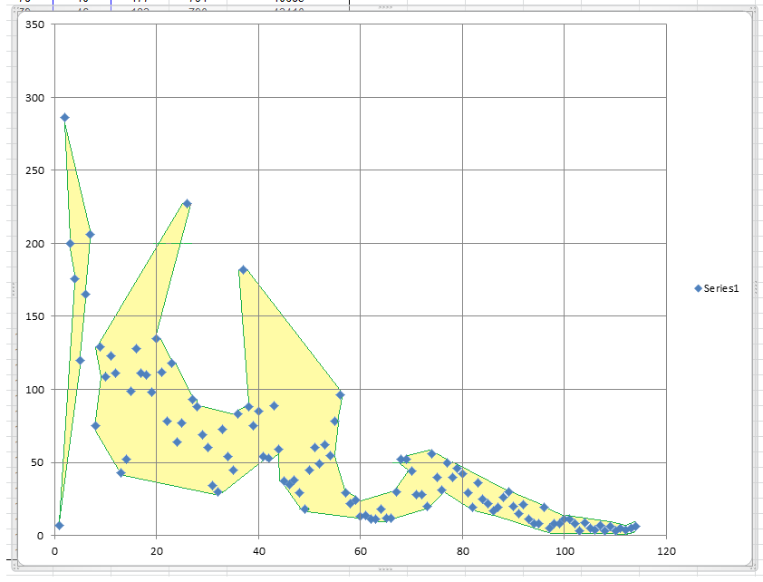

 |  | Reversed it below, for Arabic reading style.
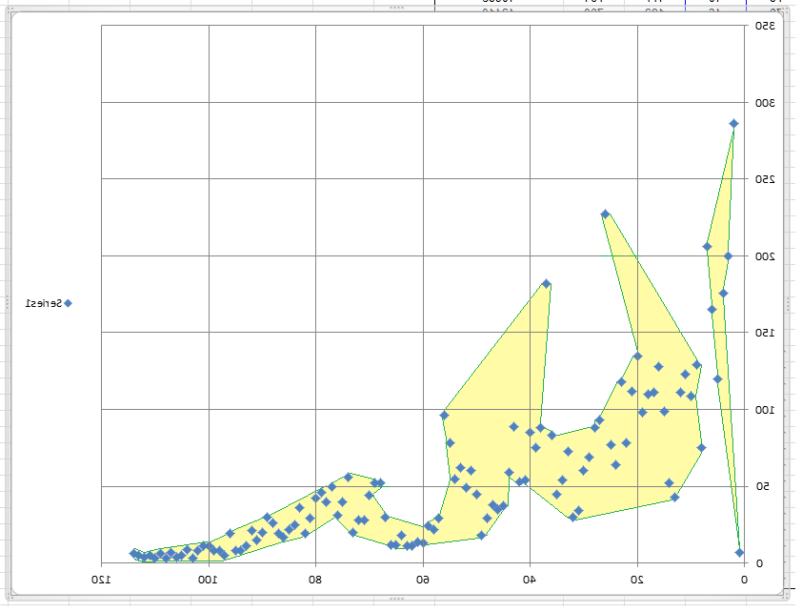

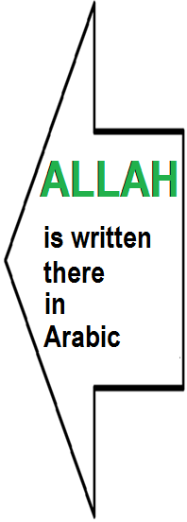

Visit:-----> |  | for more free downloads |  |  |  | http://www.quranexcel.com/

Visit:-----> |  | for more free downloads |  |  |  | http://www.quran-excel.blogspot.com/

